Different Income Measures
Definitions of income types
Farm Business Income – the total income available to all unpaid labour (farmers and spouses, non-principal partners and directors and their spouses and family workers) and on their capital invested in the farm business, including land and buildings. Income from diversified activities are included in overall FBI.
Net Farm Income - represents the return to the farmer and spouse for their manual and managerial labour and on the tenant-type capital in the farm business. It is intended as a consistent measure of the profitability of tenant-type farming. NFI is not a proxy either for farm business income or for farm household income.
Cash Income - Cash Income is the difference between total revenue and total expenditure. Revenue is receipts adjusted for debtors and expenditure is purchases adjusted for creditors. It is assumed therefore that all end of year debtor and creditor payments are settled in full, even though this may happen beyond the end of the accounting year. Cash income represents the cash return to the group with an entrepreneurial interest in the business (farmers and spouses, non-principal partners and directors and their spouses and family workers) for their manual and managerial labour and on their investment in the business.
Farm Corporate Income - Farm Corporate Income represents the return to the owners of the business on all their capital invested. It is derived by deducting unpaid labour, both manual and managerial, from Farm Business Income. This allows the profitability of sole traders and partnerships to be compared directly with that of companies. Currently it is possible to estimate unpaid manual labour but not unpaid managerial labour and so the data are only approximate.
Farm Investment Income - Farm Investment Income represents the return on all capital invested in the farm business whether borrowed or not. It is derived by adding net interest payments to Farm Corporate Income. Since currently the data for Farm Corporate income are only approximate, so too are the data for Farm Investment Income.
Table 8. Income Types by Farm Type by Year

Income Types by Farm Type and Year (£) (1) | Cereal | General Cropping | Dairy | Specialist Sheep (LFA) | Specialist Cattle (LFA) | Other Cattle & Sheep (LFA) | Lowland Cattle & Sheep | Mixed | All Types
Farm Business Income
2016/17 | 21,295 | 56,635 | 41,456 | 16,229 | 24,730 | 37,916 | 18,992 | 23,283 | 29,186
2017/18 | 34,433 | 67,283 | 76,545 | 15,996 | 24,774 | 34,327 | 30,583 | 29,419 | 35,548
2018/19 | 61,054 | 131,943 | 68,029 | 15,754 | 13,088 | 23,646 | 11,309 | 35,709 | 39,308
2019/20 | 40,992 | 69,052 | 51,022 | 11,328 | 14,627 | 23,413 | 13,656 | 8,074 | 25,753
Net Farm Income
2016/17 | -2,398 | 46,182 | 36,050 | 7,065 | 15,756 | 31,489 | 5,026 | 9,228 | 18,141
2017/18 | 13,082 | 53,738 | 80,499 | 6,742 | 14,761 | 26,858 | 17,302 | 10,485 | 24,091
2018/19 | 36,275 | 116,363 | 71,333 | 3,694 | 5,219 | 14,075 | -1,487 | 18,940 | 27,442
2019/20 | 15,461 | 57,389 | 50,653 | 889 | 6,488 | 14,594 | 5,115 | -9,596 | 14,415
Cash Income
2016/17 | 33,539 | 107,985 | 58,501 | 22,712 | 39,281 | 52,998 | 25,757 | 44,391 | 47,381
2017/18 | 57,785 | 104,470 | 115,011 | 26,594 | 44,422 | 49,120 | 47,470 | 48,678 | 57,111
2018/19 | 85,009 | 121,474 | 96,982 | 25,166 | 34,060 | 47,929 | 40,693 | 64,034 | 57,342
2019/20 | 69,609 | 144,041 | 90,415 | 22,643 | 35,408 | 39,531 | 41,961 | 48,465 | 56,030
Farm Corporate Income
2016/17 | -11,337 | 23,127 | -19,829 | -11,725 | -10,317 | -2,709 | -18,637 | -11,675 | -6,988
2017/18 | 2,082 | 30,331 | 17,935 | -12,197 | -11,712 | -7,244 | -7,545 | -8,101 | -1,735
2018/19 | 29,052 | 96,133 | 6,889 | -12,357 | -23,047 | -17,931 | -25,136 | -1,539 | 2,541
2019/20 | 3,692 | 33,314 | -17,239 | -19,541 | -21,930 | -17,580 | -22,572 | -31,535 | -12,644
Farm Investment Income
2016/17 | -5,200 | 35,556 | -8,230 | -10,249 | -7,034 | 1,449 | -16,202 | -5,782 | -1,641
2017/18 | 11,411 | 40,211 | 29,430 | -10,946 | -8,003 | -3,208 | -4,057 | -3,130 | 3,656
2018/19 | 34,793 | 105,714 | 19,833 | -10,654 | -19,585 | -13,673 | -22,049 | 5,250 | 7,703
2019/20 | 7,850 | 47,375 | -2,518 | -17,600 | -18,022 | -15,733 | -18,354 | -25,244 | -7,012

(1) Not adjusted for inflation

Purchased Assets Charts
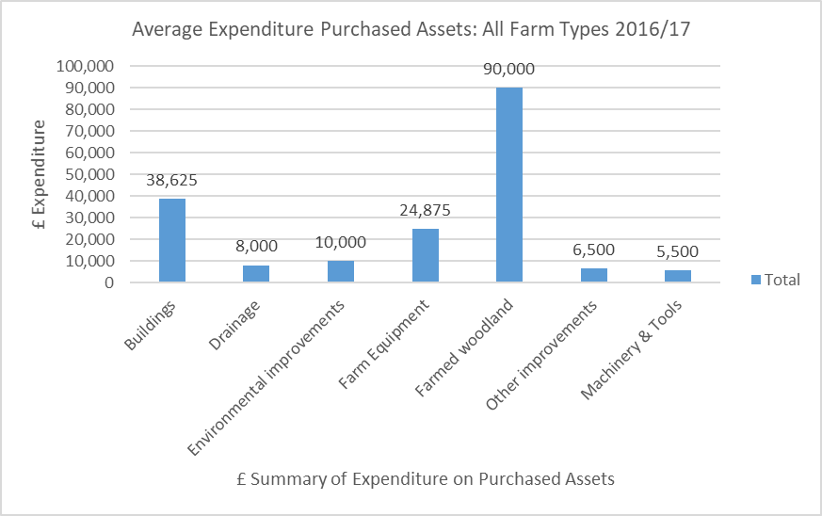
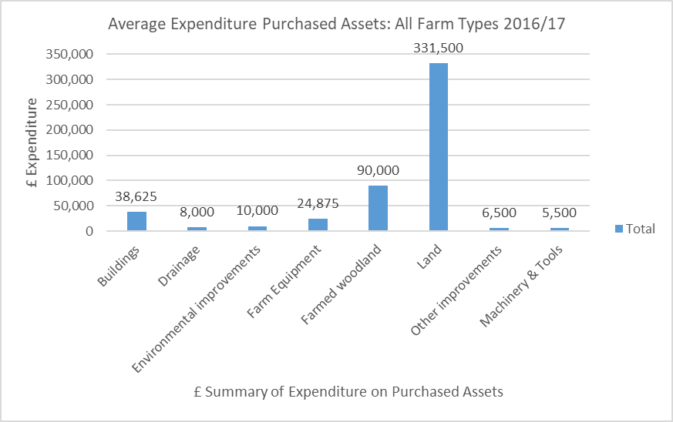
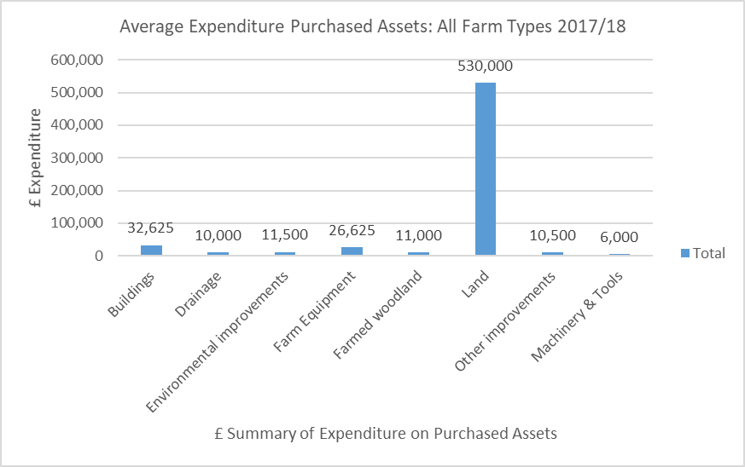
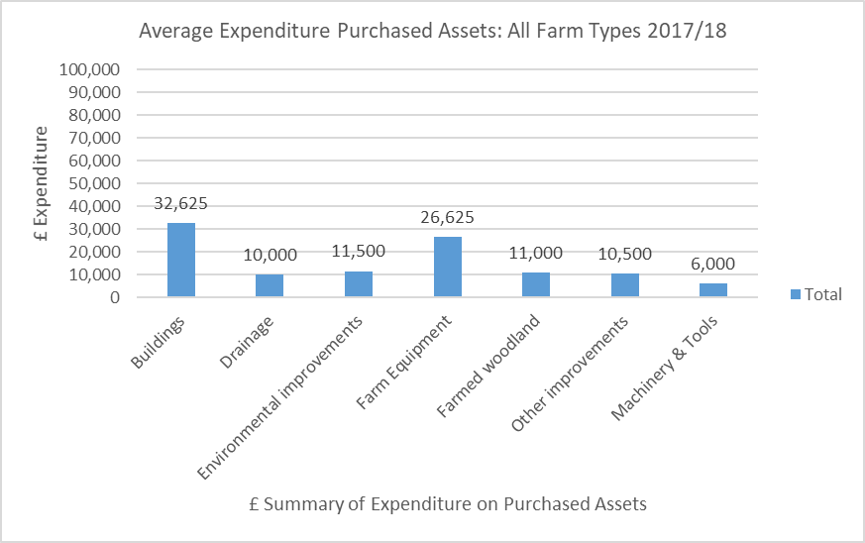
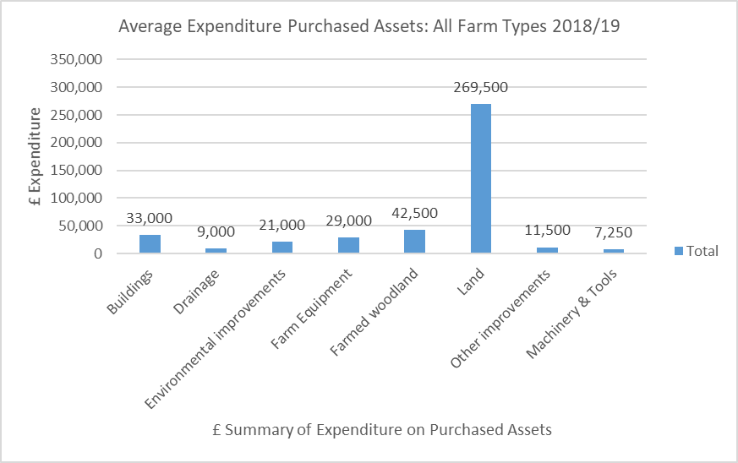
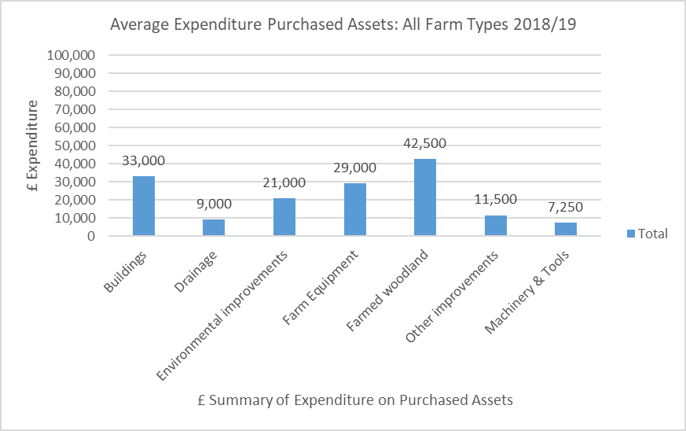
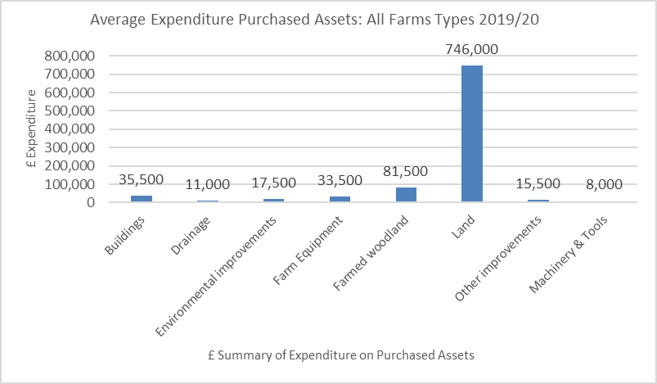
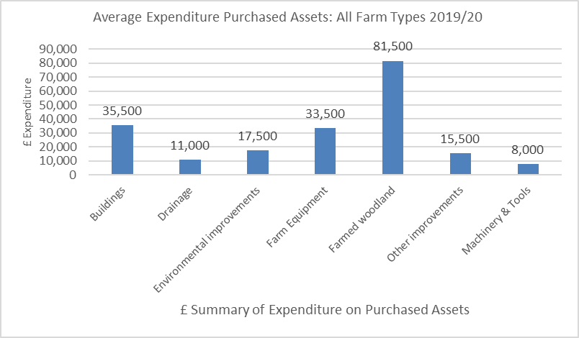
Land Included | Land Excluded

