Chart 1
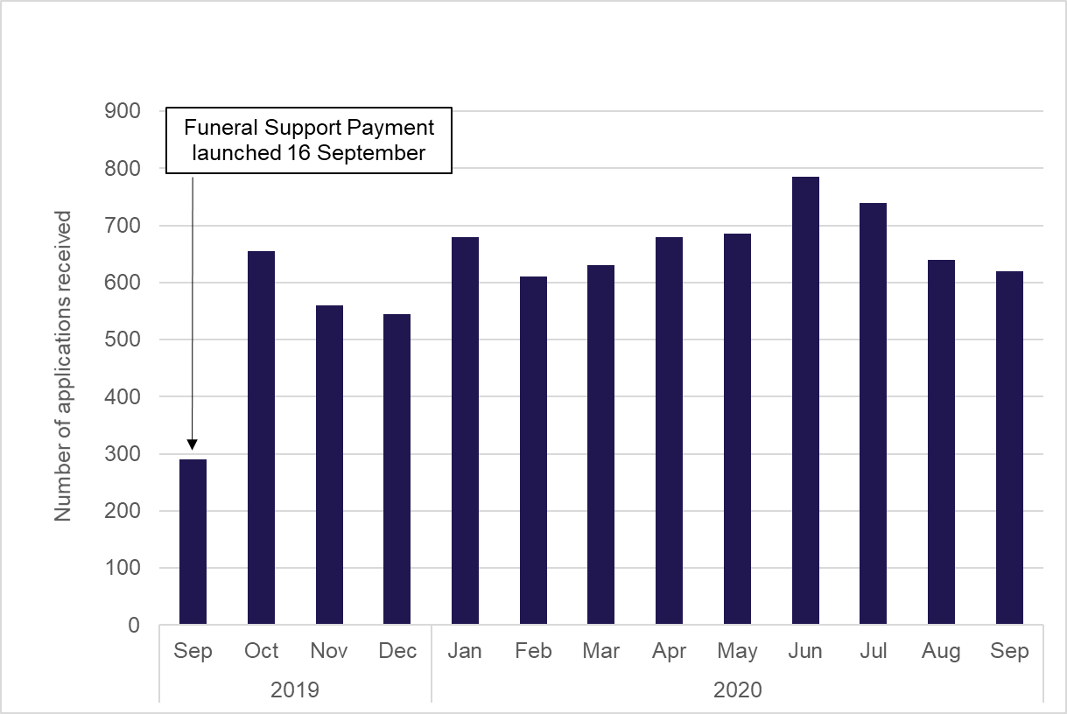
Chart 1: Applications for Funeral Support Payment by month

Chart 2
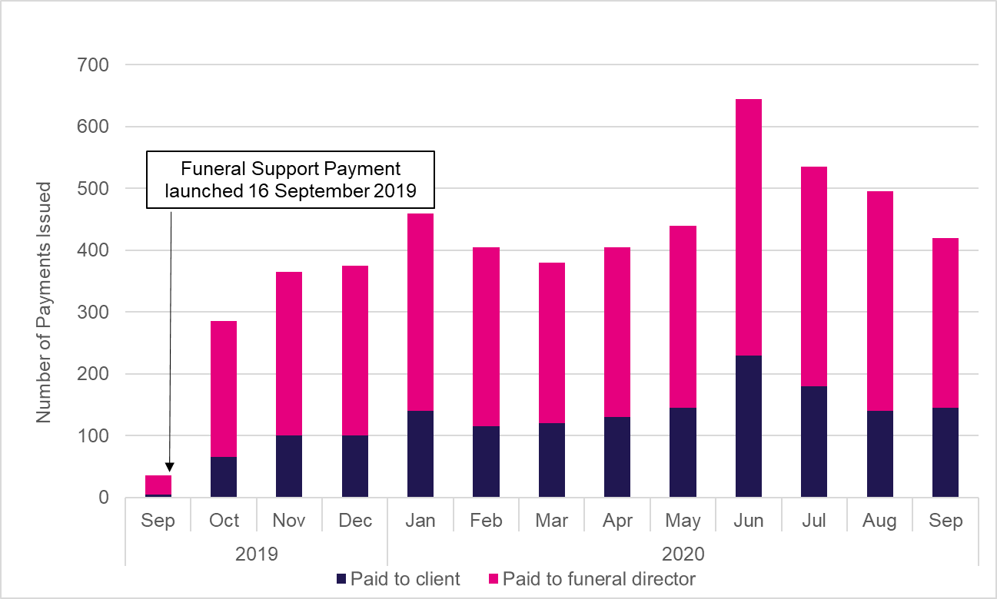
Chart 2: Number of Funeral Support Payments issued to recipients

