Figure 1
Data for Figure 1: Average FBI of Scottish Farms, 2011-12 to 2016-17 (in 2016-17 prices)

Farm Income Measure | 2011-12 | 2012-13 | 2013-14 | 2014-15 | 2015-16 | 2016-17

Break even | 0.0 | 0.0 | 0.0 | 0.0 | 0.0 | 0.0
Farm Business Income (FBI) (£) | 49,301 | 32,554 | 31,876 | 24,633 | 13,633 | 26,402
FBI per unpaid worker (FTE) (£) | 33,768 | 21,996 | 21,538 | 16,757 | 8,574 | 17,839
FBI without subsidy and payments (£) | -3,599 | -16,969 | -16,567 | -16,695 | -25,704 | -14,905

Figure 2
Data for figure 2: Average changes to FBI components: All farm types (2016-17 prices)

FBI Component | 2011-12 to 2016-17 | 2015-16 to 2016-17
Crop Input | -9,964 | -1,234
Crop Output | -24,148 | 8,919
Livestock Input | -5,102 | -2,582
Livestock Output | -16,898 | -2,260
Other Input | -17,221 | 573
Other Output | -1,957 | 605
Labour | -3,018 | 319
Grants and subsidies | -11,593 | 1,970
Diversification Margin | -347 | 612
Total Input | -31,700 | -3,455
Total Output | -54,599 | 9,314
FBI | -22,898 | 12,769
FBI (less subsidies) | -11,306 | 10,799

Figure 3
Data for figure 3: Farm Business Income by farm type: 2011-12 to 2016-17 (2016-17 prices)

Type of Farms | 2011-12 | 2012-13 | 2013-14 | 2014-15 | 2015-16 | 2016-17
Specialist Sheep (LFA) | 30,509 | 22,588 | 25,402 | 15,253 | 8,233 | 14,048
Specialist Beef (LFA) | 45,703 | 28,229 | 25,827 | 25,733 | 23,697 | 25,565
Cattle and Sheep (LFA) | 42,499 | 21,556 | 26,752 | 28,339 | 22,845 | 35,284
Cereals | 65,091 | 24,816 | 26,641 | 19,041 | 8,007 | 20,589
General Cropping | 54,933 | 59,943 | 36,912 | 27,763 | 31,364 | 47,080
Dairy | 88,946 | 48,039 | 81,464 | 70,915 | 1,735 | 34,696
Lowland Cattle and Sheep | 36,406 | 18,772 | 24,951 | 27,509 | 12,429 | 18,252
Mixed | 53,126 | 35,823 | 31,348 | 12,260 | 1,492 | 24,168
All Farm Types | 49,301 | 32,554 | 31,876 | 24,633 | 13,633 | 26,402

Figure 4
Data for figure 4 and introduction figure: Average FBI/FTE, relative to minimum agricultural wage (MAW)

 | Farm Business Income in (excluding payments and subsidies)
Type of farm | <£0 | ≥£0 <MAW | ≥MAW <2 x MAW | ≥2 x MAW <5 x MAW | ≥5 x MAW <10 x MAW | ≥10 x MAW
All farm types 2016-17 | 21.4 | 23.3 | 21.4 | 24.9 | 7.6 | 1.4
All farm types 2015-16 | 34.4 | 24.2 | 18.6 | 18.0 | 3.6 | 1.2

2015/16 Minimum Agricultural Wage is £7.17 per hour
2016/17 Minimum Agricultural Wage is £7.20 per hour
≥ greater than or equal to
< less than

Figure 5
Data for figure 5: Average FBI, lower quartile and upper quartile: 2016-17

 | Specialist Sheep (LFA) | Specialist Cattle (LFA) | Cattle and sheep (LFA) | Cereals | General Cropping | Dairy | Lowland Cattle and Sheep | Mixed | All Farm Types
lower quartile | -13,880 | -11,020 | 2,572 | -24,680 | -9,347 | -56,134 | -9,853 | -17,053 | -15,102
average | 14,048 | 25,565 | 35,284 | 20,589 | 47,080 | 34,696 | 18,252 | 24,168 | 26,402
upper quartile | 73,529 | 101,008 | 90,656 | 78,118 | 147,893 | 148,880 | 63,993 | 74,200 | 94,376

Figure 6
Data for figure 6: Farm Business Income by cost centre: 2015-16 to 2016-17 (2016-17 prices)

 | Cost Centre (£ per Farm)

 | Direct Payments |  | Agri-environment |  | Contracting |  | Diversification |  | Agriculture |  | FBI
 | 2015/16 | 2016/17 | 2015/16 | 2016/17 | 2015/16 | 2016/17 | 2015/16 | 2016/17 | 2015/16 | 2016/17 | 2015/16 | 2016/17
Farm Business Income | 30,979 | 34,483 | 7,997 | 6,540 | 3,087 | 3,274 | 2,823 | 3,436 | -31,254 | -21,330 | 13,633 | 26,402

Figure 7
Data for figure 7: Average income from diversified activities: 2016-17

Diversified Activity | Income (£)
Processing and retailing of farm produce | 14,180
Other Miscellaneous receipts | 10,045
Mobile Phone Masts | 7,977
Renting out buildings - not including tourist accommodation | 6,401
All | 4,854
Wind Turbines | 4,849
Recreation | 4,353
Tourist Accomodation and Catering | 1,656
Micro Electric Generation | -367

Figure 8
Data for figure 8: Diversified activity and incomes (5 year matched sample): 2012-13 to 2016-17 (2016-17 prices)

 | 2012-13 | 2013-14 | 2014-15 | 2015-16 | 2016-17
Total number of farms in matched sample | 413 | 413 | 413 | 413 | 413
Average FBI of farms with diversified activity | £39,418 | £41,061 | £41,388 | £27,479 | £41,237
Average FBI of farms without diversified activity | £34,985 | £30,712 | £24,033 | £12,657 | £23,797

Matched sample of 413 farms
FBI - farms with diversified activity
FBI - farms without diversified activity

Figure 9
Data for figure 9: Output:Input ratio for average, lower quartile and upper quartile: 2016-17

 | Specialist Sheep (LFA) | Specialist Cattle (LFA) | Cattle and sheep (LFA) | Cereals | General Cropping | Dairy | Lowland Cattle and Sheep | Mixed | All Farm Types
lower quartile | 0.8 | 0.9 | 1.0 | 0.9 | 1.0 | 0.9 | 0.9 | 0.9 | 0.9
average | 1.2 | 1.2 | 1.3 | 1.1 | 1.2 | 1.1 | 1.1 | 1.1 | 1.2
upper quartile | 1.5 | 1.7 | 1.4 | 1.3 | 1.4 | 1.3 | 1.2 | 1.2 | 1.4

Figure 10
Data for figure 10: Assets, liabilities, and net worth by tenure: 2016-17

Tenure type |  | Opening | Closing | Change
Owner occupied | Assets | 1,756,142 | 1,772,670 | £16,528
 | Liabilities | 150,082 | 157,526 | £7,444
 | Net worth | 1,606,060 | 1,615,144 | £9,084
Tenanted | Assets | 404,833 | 396,747 | -£8,086
 | Liabilities | 74,879 | 74,331 | -£548
 | Net worth | 329,954 | 322,417 | -£7,537
Mixed Tenure | Assets | 1,642,238 | 1,658,200 | £15,962
 | Liabilities | 219,529 | 219,365 | -£164
 | Net worth | 1,422,709 | 1,438,835 | £16,126
All Tenures | Assets | 1,453,516 | 1,464,758 | £11,242
 | Liabilities | 144,608 | 149,222 | £4,614
 | Net worth | 1,308,908 | 1,315,536 | £6,628

Figure 11
Data for figure 11: Liabilities as a percentage of assets (closing values): 2016-17

Farm Type | Owner Occupied | Tenanted | Mixed Tenure | All Tenures
Specialist sheep (LFA) | 4.9 | 12.5 | 9.7 | 6.7
Specialist cattle (LFA) | 9.8 | 22.5 | 10.3 | 10.7
Cattle and sheep (LFA) | 10.2 | 16.0 | 14.3 | 11.6
Cereals | 11.0 | 23.3 | 9.0 | 11.0
General cropping | 6.5 | 20.1 | 17.7 | 8.5
Dairy | 13.0 | c | 17.2 | 14.4
Lowland Cattle and Sheep | 7.6 | 19.7 | 14.3 | 9.2
Mixed | 8.4 | 18.7 | 15.7 | 10.1
All farm types | 8.9 | 18.7 | 13.2 | 10.2

'c' - cell suppresed due to small sample size

NFI Charts
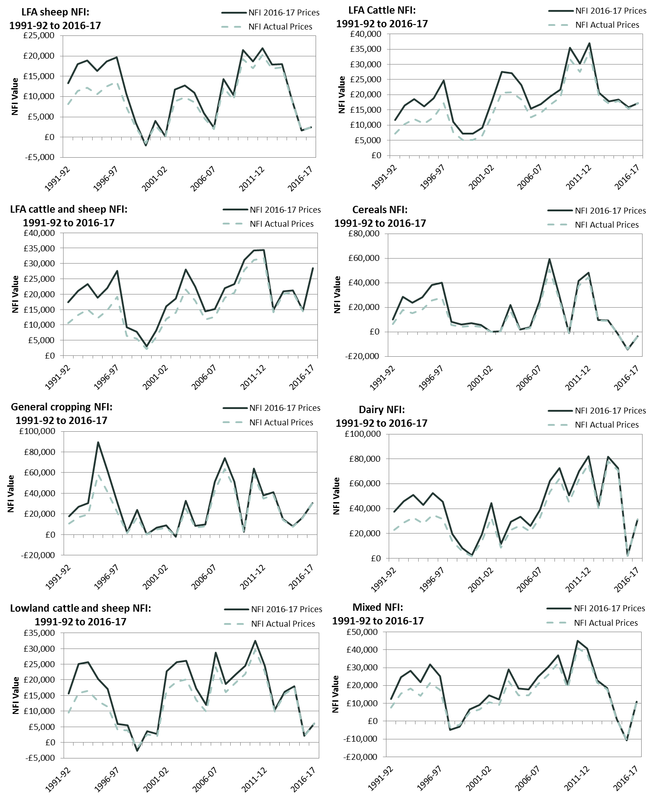
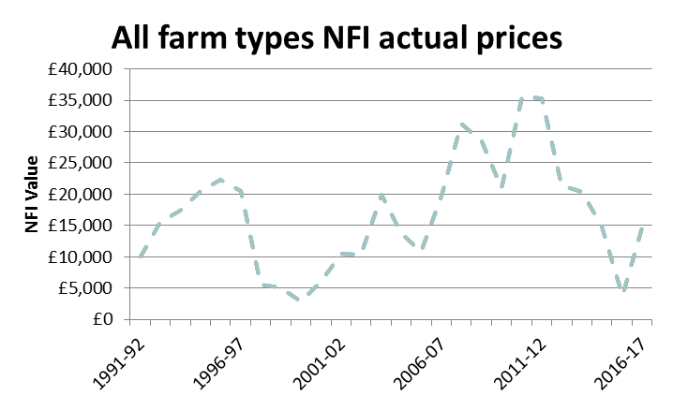
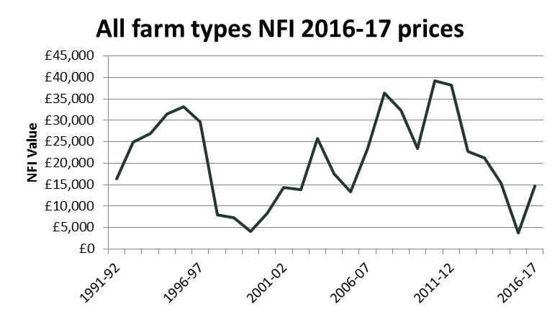
 | NFI 2016-17 Prices | NFI Actual Prices
1991-92 | 16417.228379 | 10059
1992-93 | 24905.263828 | 15642
1993-94 | 27017.01982 | 17366
1994-95 | 31557.90639 | 20524
1995-96 | 33185.101176 | 22238
1996-97 | 29617.040888 | 20564
1997-98 | 8003.2024247 | 5598
1998-99 | 7329.4149154 | 5200
1999-00 | 4040.1914144 | 2879
2000-01 | 8353.4975803 | 6076
2001-02 | 14293.087057 | 10524
2002-03 | 13801.706634 | 10400
2003-04 | 25807.121893 | 19872
2004-05 | 17483.100638 | 13837
2005-06 | 13313.467387 | 10812
2006-07 | 23623.664259 | 19786
2007-08 | 36429.619964 | 31269
2008-09 | 32308.356138 | 28453
2009-10 | 23384.706646 | 20893.3
2010-11 | 39208.278834 | 35671.3
2011-12 | 38257.647174 | 35307.6
2012-13 | 22736.449908 | 21419.1
2013-14 | 21180.399729 | 20294
2014-15 | 15297.004239 | 14869.3
2015-16 | 3803.9035357 | 3722.5
2016-17 | 14740.3 | 14740.3

