How to Use the SWFQ Tag Checker
SWFQ XML Tag Checker
Version 2: 17 June 2013

Background: This tool is to help MIS Providers to check that the XML tags in their data extarcts for SWFQ are correct.

Instuctions

Step | Instructions
1 | File -> Open and navigate to the XML file in Excel 2010.
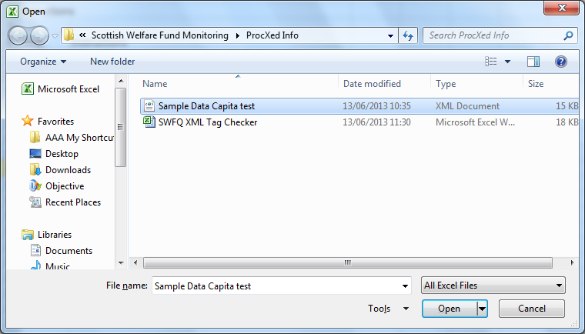

2 | Select open as XML table
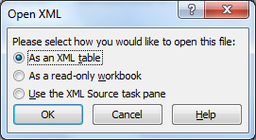

3 | When the following message appears, click OK

3 | Select the cells in row 1 containing labels. Copy.

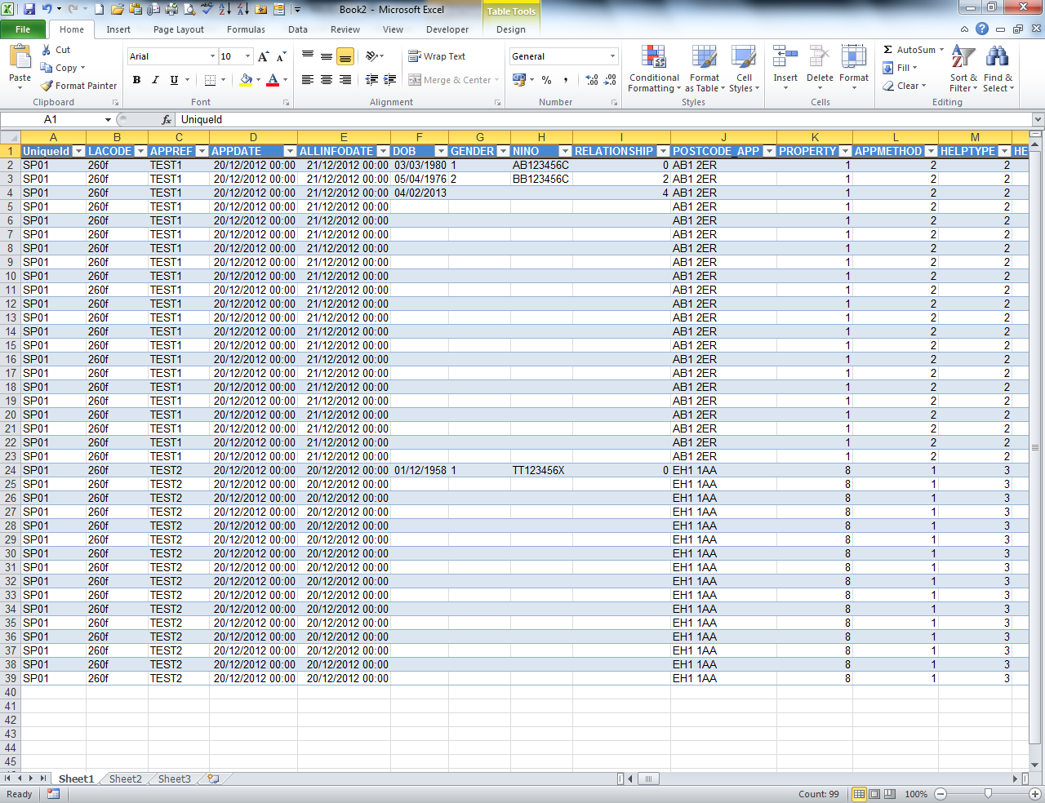

4 | In a new sheet, paste ->paste special -> transpose.

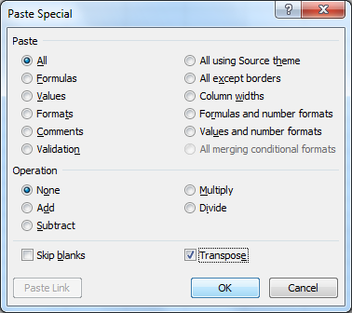

5 | Copy and paste the tag names into the column A (starting from Row 2) in the following worksheet
 | Check Tags

6 | Any tag spelling errors are shown in column C.

 | In case of difficultites, please contact:
 | scotxed@scotland.gsi.gov.uk

