Summary
Tenant Hardship Loan - week beginning 11th January 2021

Status summary |  |  | Number of applicants served with a notice to leave |  | Number of applications per type of let
Status | Count | Sum of Eligible Funding | Has the tenant been served with a notice to leave? | Count | Type of Let | Count
Application being processed | 7 | £12,678.85 | No | 276 | Private landlord | 95
Application withdrawn | 6 | £9,227.35 | Yes | 58 | Letting Agent | 138
Awaiting further information | 154 | £298,451.95 | Grand Total | 334 | Local Authority/Housing Association | 101
Credit check complete | 10 | £21,739.90 |  |  | Grand total | 334
Credit Karma appeal complete | 2 | £2,011.72 | Number of months applied for rent arrears
IAR | 46 | £89,597.05 | Number of months applied for | Count | Number of applications where landlord is to be paid directly
Landlord verification required | 3 | £3,852.37 | 0 | 37 | Landlord to be paid directly | Count
Loan offered | 17 | £55,646.44 | 1 | 78 | No | 211
Non - consecutive month query | 7 | £14,105.00 | 2 | 33 | Yes | 123
Rejected - not eligible | 20 | £214,705.63 | 3 | 46 | Grand Total | 334
Rejected - unsuccessful affordability | 1 | £1,375.00 | 4 | 34
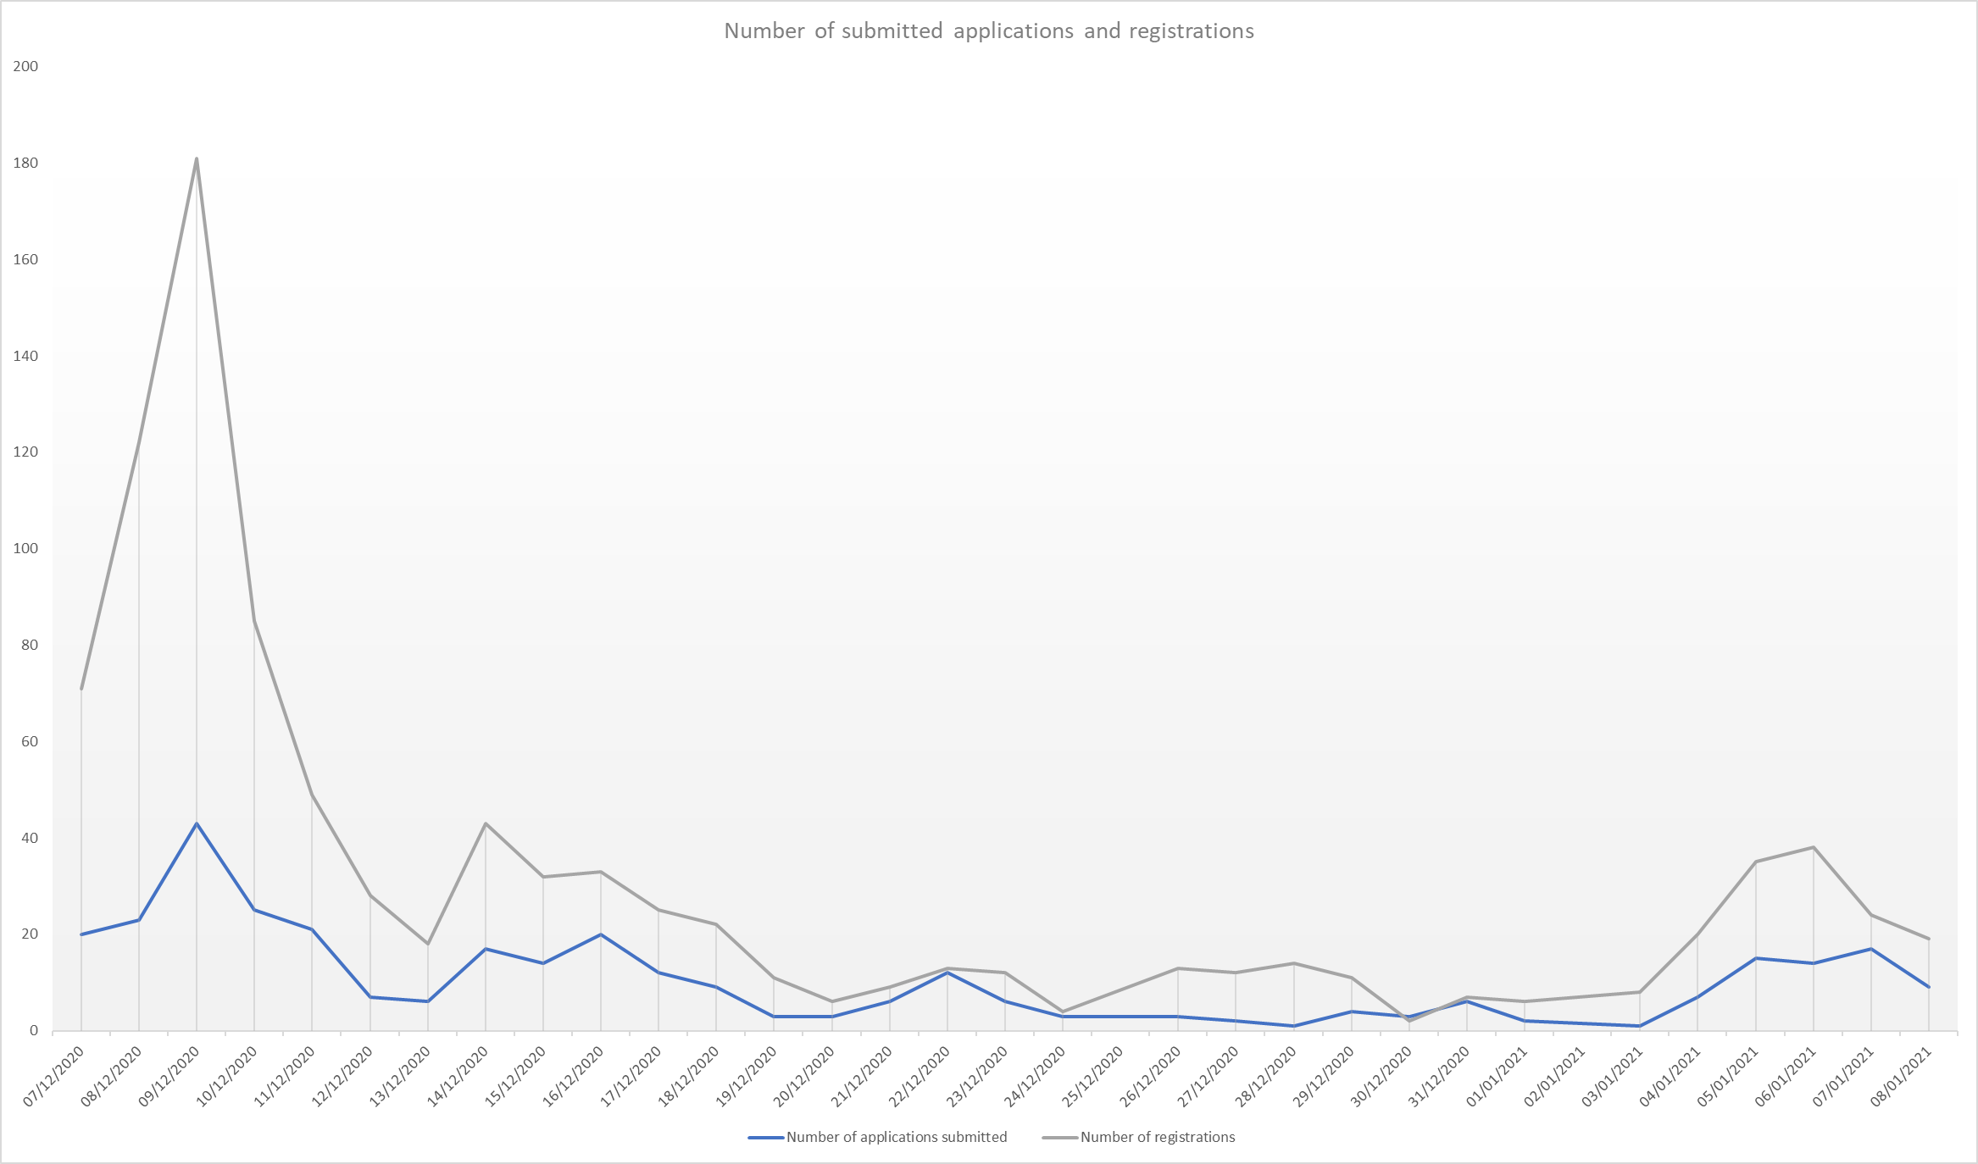
Rejected - unsuccessful credit score | 29 | £62,592.78 | 5 | 30
Rejected - unsuccessful credit score appeal | 2 | £5,930.00 | 6 | 17
Sent for credit check | 30 | £57,935.24 | 7 | 10
Grand Total | 334 | £849,849.28 | 8 | 10
 |  |  | 9 | 38
 |  |  | 11 | 1
Reason for rejection |  |  | Grand Total | 334
Reason | Count
Has arrears which pre-date 01 Jan 2020 | 13 |  | Number of future rent payments applied for
Grand Total | 13 |  | Number of months applied for | Count
 |  |  | 1 | 57
Number of applications per local authority |  |  | 2 | 31
Local authority | Count |  | 3 | 67
Edinburgh, City of | 44 |  | Grand Total | 155
Perth & Kinross | 12
Falkirk | 10
Dundee City | 17
Highland | 9
Moray | 5
Clackmannanshire | 7
Glasgow City | 51
Argyll & Bute | 2
Scottish Borders | 2
Fife | 15
Aberdeen City | 16
Inverclyde | 5
Angus | 3
South Lanarkshire | 17
South Ayrshire | 12
West Lothian | 22
Stirling | 3
Aberdeenshire | 11
East Ayrshire | 18
West Dunbartonshire | 8
Renfrewshire | 15
North Lanarkshire | 14
East Lothian | 2
North Ayrshire | 7
Dumfries & Galloway | 4
#N/A | 2
East Dunbartonshire | 1
Grand Total | 334

