Figure 1
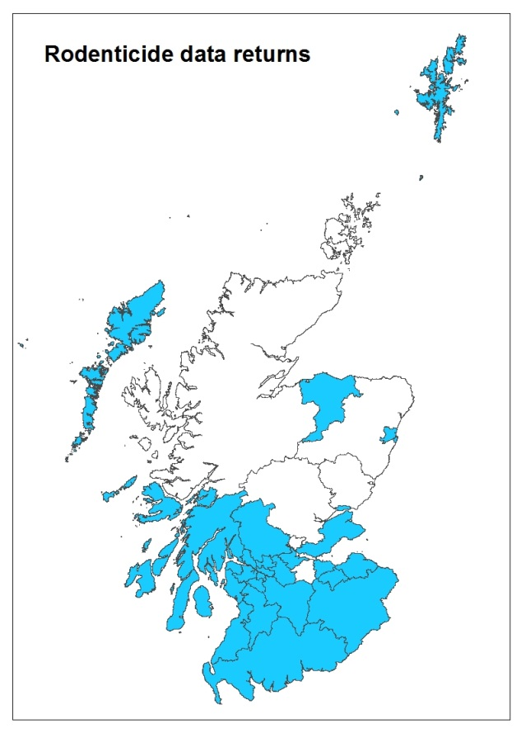
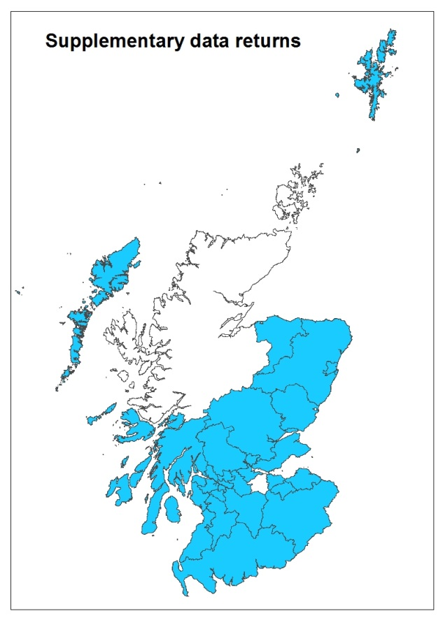
Figure 1 Scottish LAs supplying 2015 data | Back to contents

Figure 2
Figure 2 Rodenticide active substances used by Scottish LAs in 2015 (percentage by weight) |  | Back to contents

Bromadiolone | 0.626668
Difenacoum | 0.081371
Brodifacoum | 0.035133
Coumatetralyl | 0.024372
Flocoumafen | 0.0024
Difethialone | 0.000625

Formulation | Total (kg)
Bromadiolone | 0.627
Difenacoum | 0.081
Brodifacoum | 0.035
Coumatetralyl | 0.024
Flocoumafen | 0.002
Difethialone | 6.250E-04

Figure 3
Figure 3 Rodenticide products used by Scottish LAs in 2015 (percentage by weight) |  | Back to contents

Bromadiolone | 12.513367
Difenacoum | 1.607418
Brodifacoum | 0.70266
Flocoumafen | 0.048
Bromadiolone/Difenacoum | 0.04
Difethialone | 0.025
Coumatetralyl | 0.006

Formulation | Total (kg)
Bromadiolone | 12.513
Difenacoum | 1.607
Brodifacoum | 0.703
Flocoumafen | 0.048
Bromadiolone/Difenacoum | 0.040
Difethialone | 0.025
Coumatetralyl | 0.006

Figure 4
Figure 4 Setting of rodenticide product use by LAs in 2015 |  | Back to contents
Domestic | 11433.723
Domestic/industrial | 712
Industrial | 534.022
Sewer | 33.7
Agricultural | 2229

Setting | Total (kg)
Domestic | 11,434
Domestic/industrial | 712
Industrial | 534
Sewer | 34
Agricultural | 2,229

Figure 5
Figure 5 Seasonal use of rodenticide products by LAs in 2015 |  | Back to contents

All year round | 14757.445
Spring/summer | 150
Spring/summer/winter | 30
Winter | 5

Season/s of use | Total (kg)
All year round | 14,757
Spring/summer | 150
Spring/summer/winter | 30
Winter | 5

Figure 6
Figure 6 Type of rodenticide bait used by LAs in 2015 |  | Back to contents

Wax blocks | 9632.395
Grain | 5207.45
Other (grain based pellets, pasta bait, foam, grain based paste, soft wax & gel) | 102.6

Bait type | Total (kg)
Wax blocks | 9,632
Grain | 5,207
Other (grain based pellets, pasta bait, foam, grain based paste, soft wax & gel) | 103

Figure 7
Figure 7 Target of rodenticide use by LAs in 2015 |  | Back to contents

Rats | 8764.69
Rats/mice | 5236.495
Mice | 941.26

Target | Total (kg)
Rats | 8,765
Rats/mice | 5,236
Mice | 941

Figure 8
Figure 8 Rodent carcass disposal methods (no. of LAs) |  | Back to contents

Landfill | 14
Burial | 4
Waste disposal company | 4
Incineration | 3
Landfill/incineration | 1

Method | Number of LAs
Landfill | 14
Burial | 4
Waste disposal company | 4
Incineration | 3
Landfill/incineration | 1

Figure 9
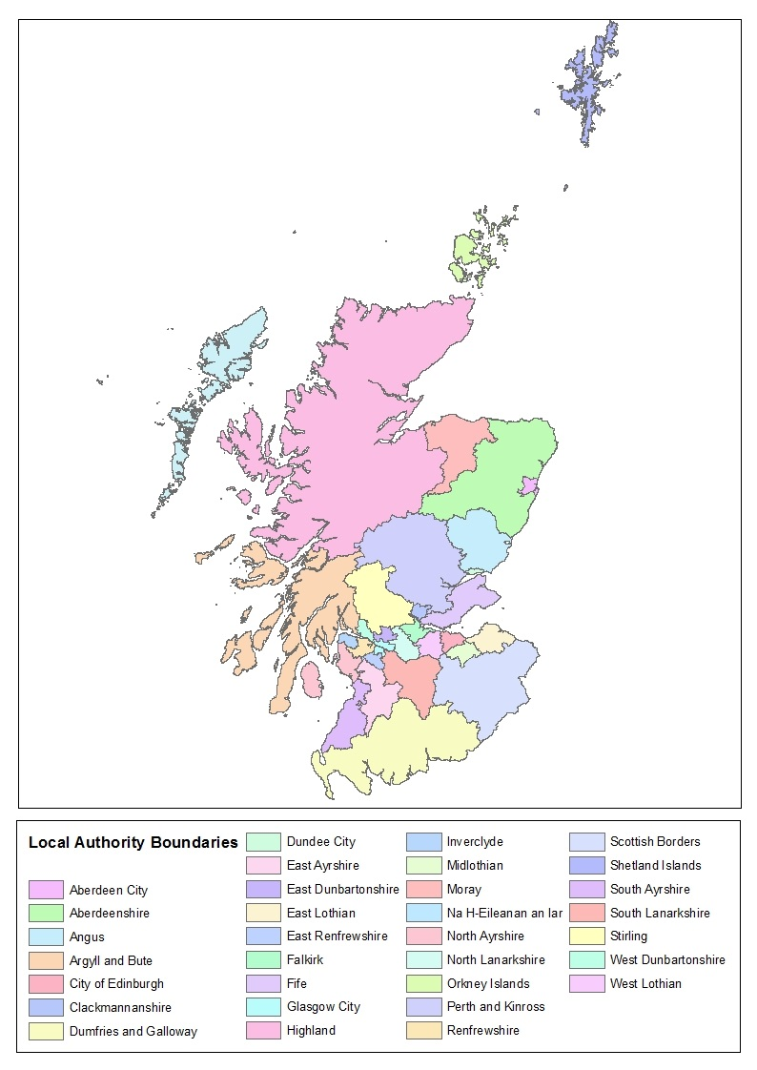
Figure 9 Scottish local authority boundaries | Back to contents

